Script
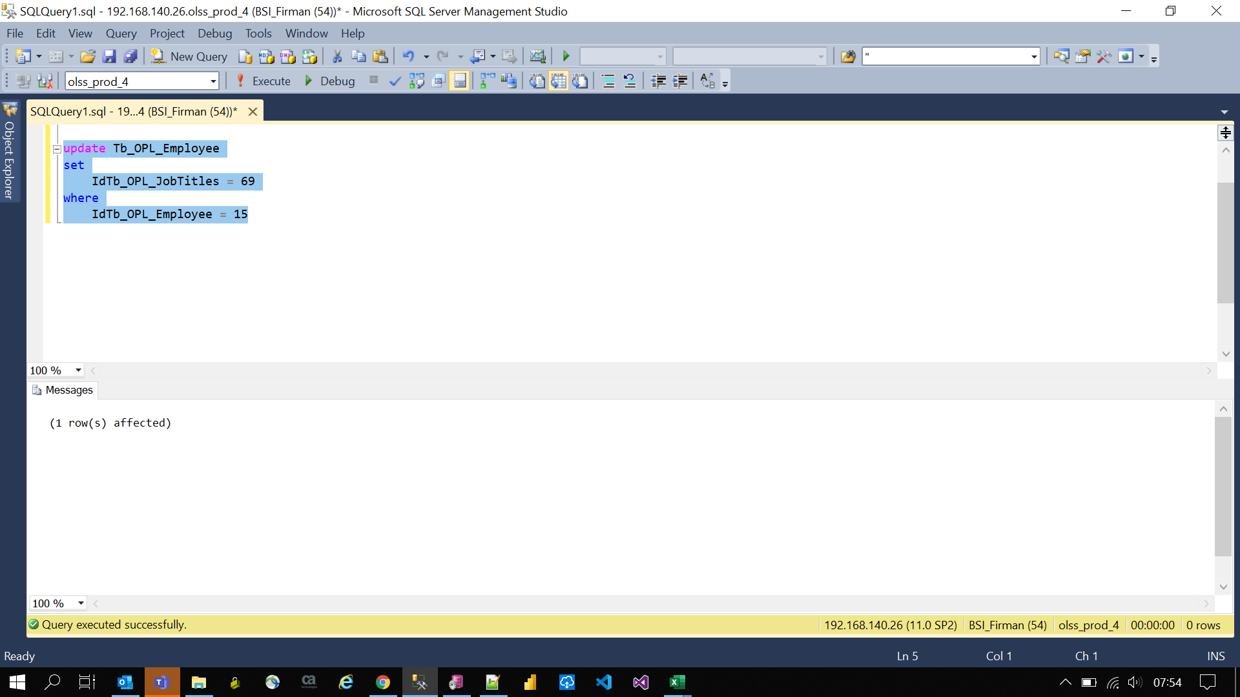
update Tb_OPL_Employee
set
 | IdTb_OPL_JobTitles = 69
where
 | IdTb_OPL_Employee = 15

